Bugs
 | Ant | Bug | Beetle | Row Total
Upper leaf | 15 | 13 | 68 | 96 | Obs
Lower leaf | 12 | 11 | 15 | 38 |  | Pearson residual |  |  |  | CHISQ.TEST: | p = | 3.37E-29
Stem | 65 | 78 | 5 | 148 |  |  | Ant | Bug | Beetle | CHIDIST: | p = | 3.37E-29
Bud | 3 | 21 | 3 | 27 |  | Upper leaf | -2.67 | -4.08 | 7.47
Col Total | 95 | 123 | 91 | 309 |  | Lower leaf | 0.09 | -1.06 | 1.14
 |  |  |  |  |  | Stem | 2.89 | 2.49 | -5.84
 | Ant | Bug | Beetle |  |  | Bud | -1.84 | 3.13 | -1.76
Upper leaf | 29.51 | 38.21 | 28.27 | Exp: (c.tot * r.tot) / tot
Lower leaf | 11.68 | 15.13 | 11.19
Stem | 45.50 | 58.91 | 43.59
Bud | 8.30 | 10.75 | 7.95

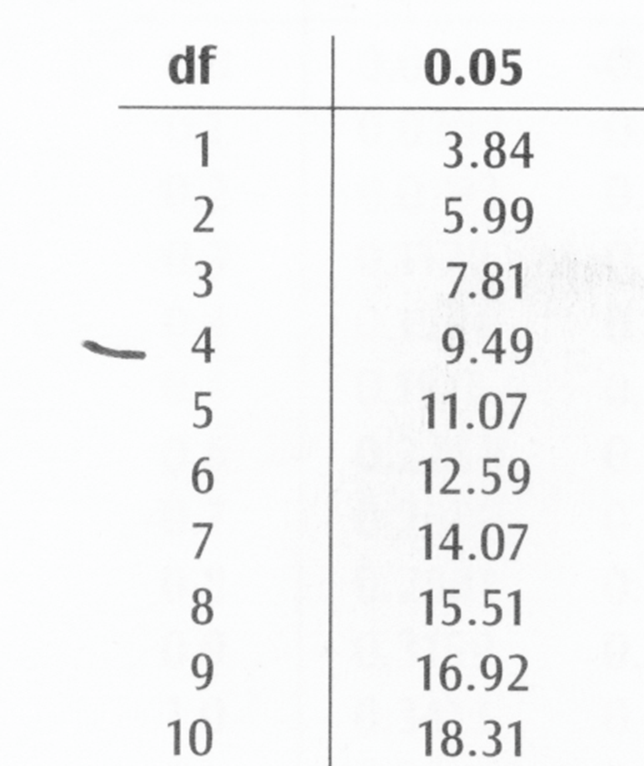
 | Ant | Bug | Beetle
Upper leaf | -14.51 | -25.21 | 39.73
Lower leaf | 0.32 | -4.13 | 3.81 | Obs-Exp
Stem | 19.50 | 19.09 | -38.59
Bud | -5.30 | 10.25 | -4.95

 | Ant | Bug | Beetle
Upper leaf | 210.67 | 635.73 | 1578.33
Lower leaf | 0.10 | 17.03 | 14.51 | (Obs-Exp)^2
Stem | 380.19 | 364.33 | 1488.86
Bud | 28.10 | 105.11 | 24.52

 | Ant | Bug | Beetle
Upper leaf | 7.14 | 16.64 | 55.83
Lower leaf | 0.01 | 1.13 | 1.30 | (Obs-Exp)^2 / Exp
Stem | 8.36 | 6.18 | 34.16
Bud | 3.39 | 9.78 | 3.08

Chis square: | 146.98 | Sum((O-E)^2/E)

D.F: | 6 | c-1 * r-1

